Dashbaord
Profit by Product Line
 | Total
Health and beauty | 2342.559
Home and lifestyle | 2564.853
Fashion accessories | 2585.995
Electronic accessories | 2587.5015
Sports and travel | 2624.8965
Food and beverages | 2673.564
Revenue by Product Line
 | Total
Health and beauty | 49193.739
Home and lifestyle | 53861.913
Fashion accessories | 54305.895
Electronic accessories | 54337.5315
Sports and travel | 55122.8265
Food and beverages | 56144.844
Payment Method Distribution
 | Total
Cash | 344
Credit card | 311
Ewallet | 345
Customer Satisfaction Score Distribution
 | Total
4 | 1.10%
5 | 16.30%
6 | 16.70%
7 | 17.80%
8 | 17.30%
9 | 15.70%
10 | 15.10%
Customer Type
 | Total
Member | 565
Normal | 435
Gender Breakdown
 | Total
Female | 571
Male | 429
Total Revenue
$322,967
Total Gross Profit
$15,379
Total COGS
$307,587
Gross Profit Margin
%4.8
Total Transactions
1000
Average Rating
7
SUPERMARKET PERFORMANCE & CUSTOMER ANALYTICS
Reporting Period: Jan–Mar
SUMMARY

Total Revenue | $322,967
Total Gross Profit | $15,379
Total COGS | $307,587
Gross Profit Margin % | 4.8
Total Transactions | 1000
Average Rating | 7

SUMMARY
Dashboard

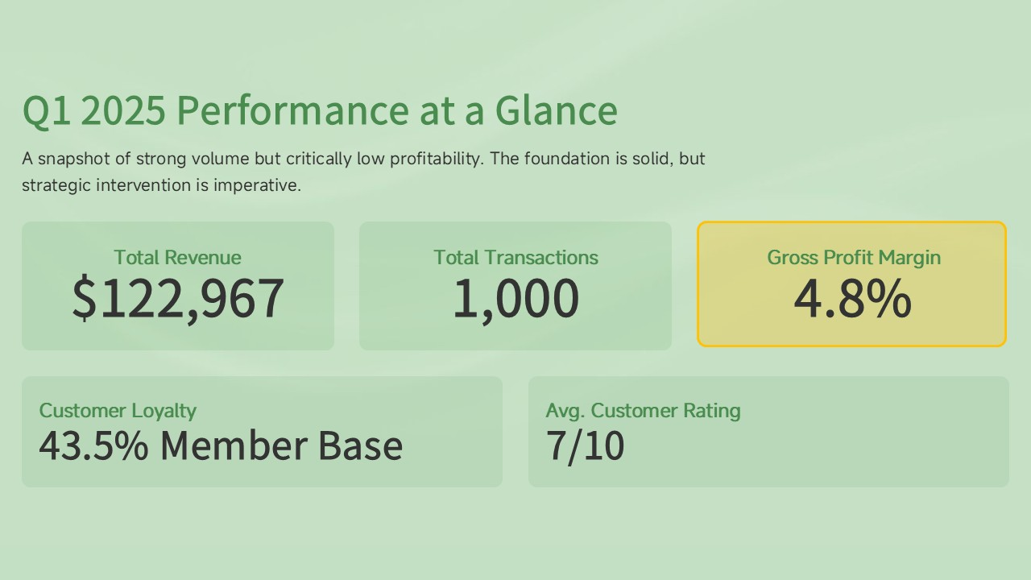

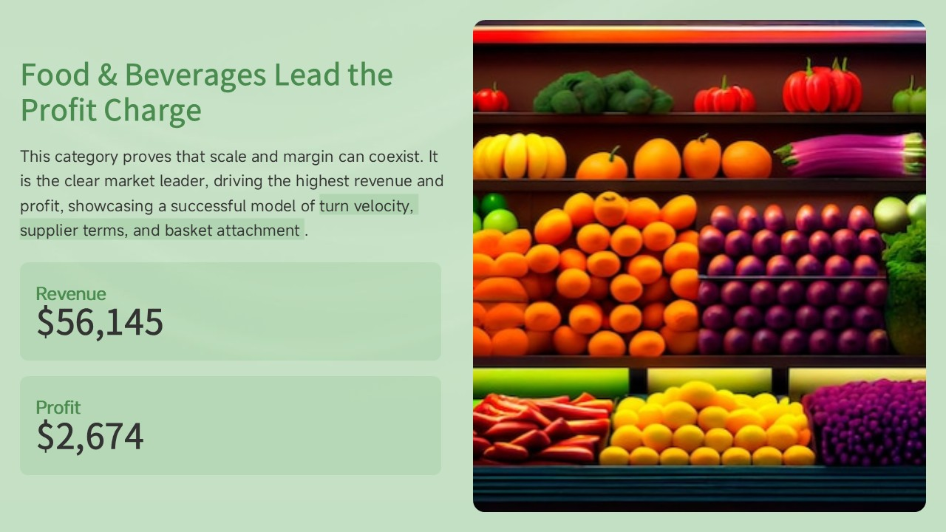

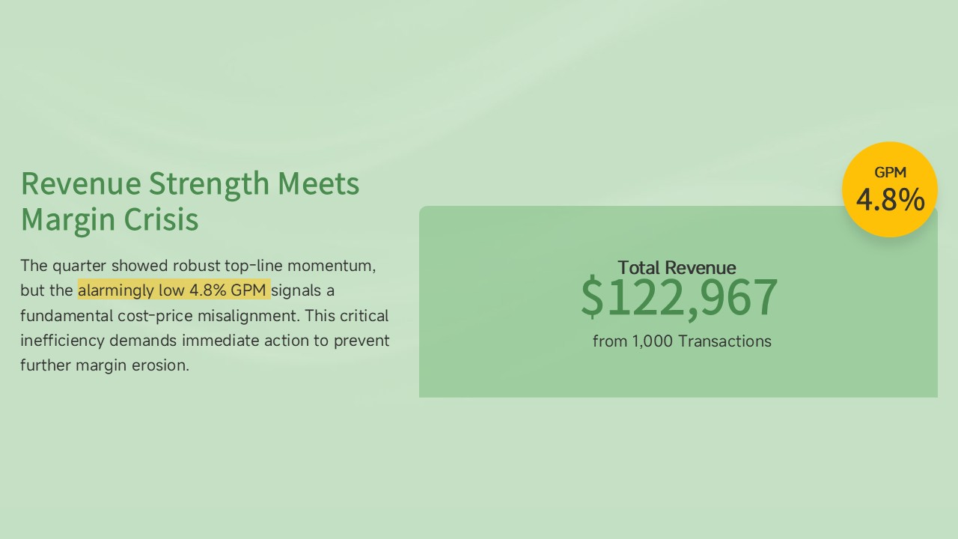

Turn around BluePrint
Executive Snapshot


Our Hero Production Line
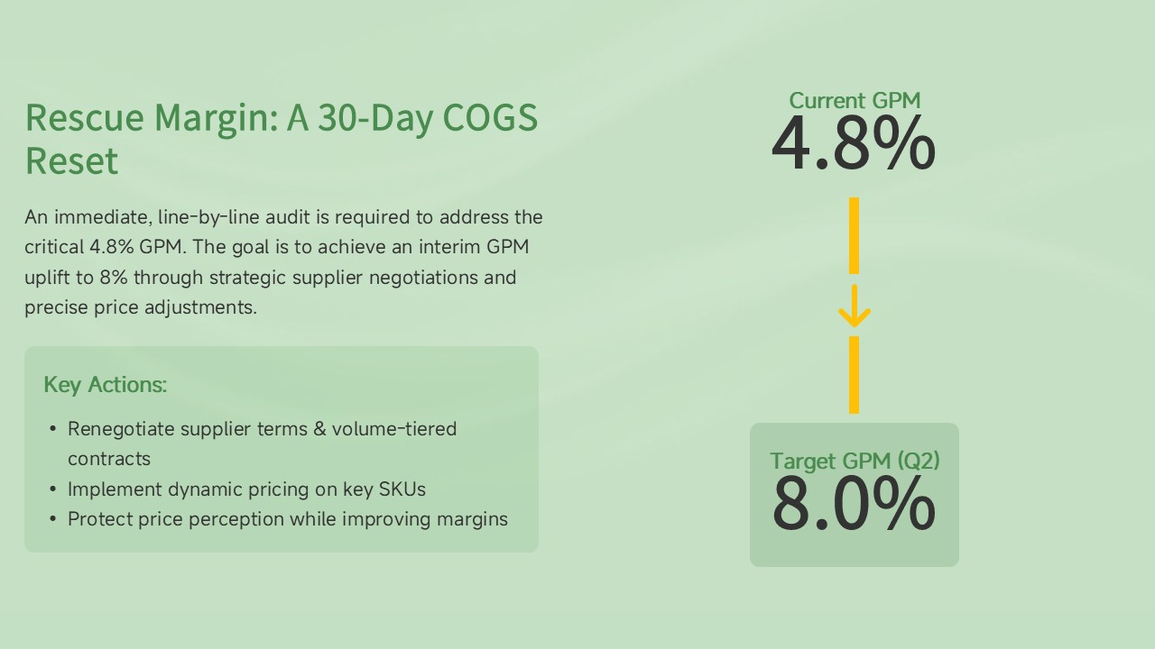

Satisfaction Gap
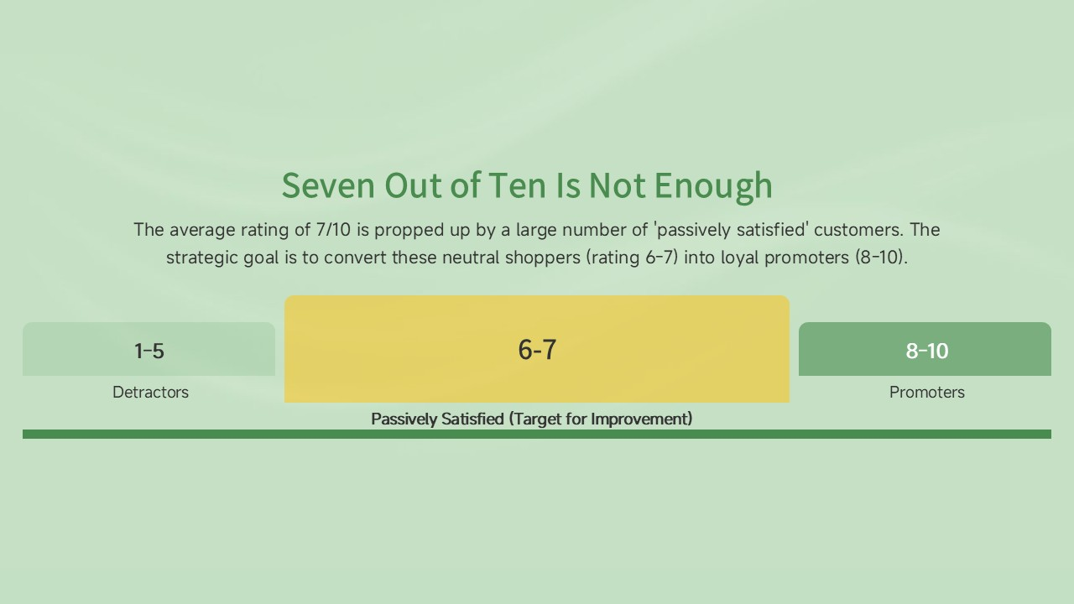
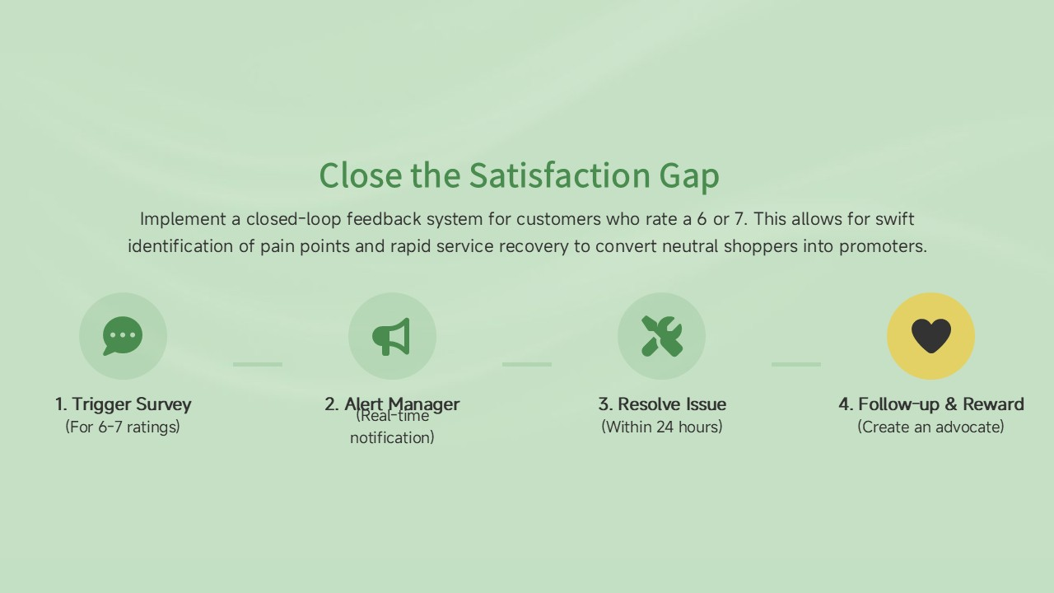

Closing the Gap

Introduction
This article provides an organized analysis of the supermarket's operational, financial, and customer performance across its Alex, Cairo, and Giza branches for the first quarter of 2025 (January–March). While the report indicates a healthy transaction volume and a strong foundation in customer loyalty, it highlights a critical need for strategic intervention to address low profitability and elevate the overall customer experience.
Financial and Operational Assessment
The supermarket registered a Total Revenue of $122,967 from 1,000 Total Transactions during the period. However, the most significant finding is the alarmingly low Gross Profit Margin (GPM) of 4.8%. This figure signals a critical inefficiency in cost management or pricing strategy, warranting immediate action.
Product Line Performance
The analysis of product lines reveals significant disparity:
- Leading Category: Food and beverages stands as the clear market leader, driving the highest revenue ($56,145) and profit ($2,674).
- Areas for Growth: Categories such as Sports and travel and Electronic accessories contribute heavily to the top line but appear to suffer from poor margins, ultimately suppressing the overall GPM.
- Lowest Contributor: Health and beauty is the lowest-performing category, contributing the least to both revenue and profit. This area is ripe for targeted promotional strategies.
Customer and Market Dynamics
A deeper look into customer data provides valuable insight into demographics and purchasing behavior:
- Customer Loyalty: The customer base is split between Normal (56.5%) and Member (43.5%) patrons. The robust proportion of members confirms the effectiveness of the existing loyalty program and provides a reliable base for future retention efforts.
- Demographic Profile: Male customers (57.1%) dominate the transaction volume, a key demographic to consider for tailored marketing and merchandising efforts.
-Payment Trends: Ewallet (34.5%) and Cash (34.4%) are the two primary payment methods, showing a nearly equal split. However, Credit Card usage is notably the lowest preferred method, suggesting an opportunity to incentivize digital payment adoption for operational efficiency.
Customer Satisfaction and Experience
The supermarket maintains a generally satisfactory Average Rating of 7/10. However, the distribution of scores points to a significant opportunity for improvement.
- CSAT Focus Area: The largest concentration of responses falls into the moderately satisfied categories of 7 (17.80%) and 6 (16.70%).
- Strategic Goal: The primary goal for enhancing customer experience should be converting this large volume of 6 and 7 ratings into top-tier scores (8, 9, and 10), thereby creating a greater number of loyal promoters.
Key Recommendations for Strategic Intervention
To address the challenges and leverage the opportunities identified, the following actions are recommended:
1- Financial and Margin Improvement: Initiate an immediate COGS/Pricing Review. This is critical to addressing the low 4.8% GPM through strategic supplier negotiations and precise price adjustments, particularly on high-revenue but low-margin product lines.
2- Product Strategy Optimization: Launch a concerted effort to Promote Health & Beauty through cross-merchandising and targeted promotions to boost this lowest-performing segment and enhance overall product line contribution.
3- Customer Experience Enhancement (CSAT): Establish Targeted CSAT Improvement feedback loops for customers who rate a 6 or 7. This allows for swift identification and resolution of specific service or operational pain points.
4- Operational Efficiency: Incentivize Digital Payments by offering rewards or points for using Credit Card or Ewallet. This action will help reduce reliance on cash handling, mitigate operational risk, and align with modern retail transaction trends.

